Diazepam
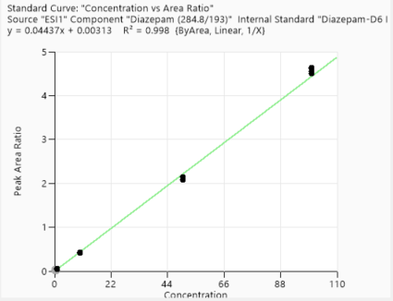
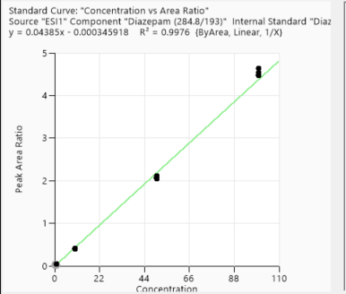
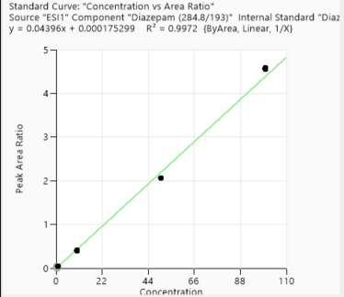
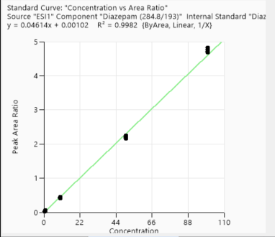
Calibration points data
1st Day | 1st Day | 3rd Day | 2nd week | 4th week
Concentration of clabibration points ppb | Peak area/IS Ratio | Peak area/IS Ratio | Peak area/IS Ratio | Peak area/IS Ratio
0.5 | 0.027699378 | 0.024871151 | 0.024634639 | 0.022620838
0.5 | 0.023452271 | 0.022645896 | 0.022850627 | 0.021250555
0.5 | 0.027216038 | 0.022621731 | 0.026168025 | 0.025430513
0.5 | 0.027093444 | 0.022739574 | 0.023833923 | 0.024021016
1 | 0.052015202 | 0.041623673 | 0.046975359 | 0.045630562
1 | 0.049959388 | 0.047281667 | 0.051766113 | 0.047278528
1 | 0.045046997 | 0.044681145 | 0.052760926 | 0.046708885
1 | 0.051436709 | 0.0455606 | 0.050849066 | 0.046843815
10 | 0.423647914 | 0.389411743 | 0.424726899 | 0.402333526
10 | 0.407156219 | 0.395592626 | 0.440794937 | 0.409357695
10 | 0.405355264 | 0.396824679 | 0.436979887 | 0.396251807
10 | 0.413760689 | 0.419599293 | 0.417981559 | 0.400334294
50 | 2.143822056 | 2.111242282 | 2.241752312 | 2.066161567
50 | 2.147163099 | 2.070679 | 2.209970072 | 2.054056203
50 | 2.078071036 | 2.050834438 | 2.194275987 | 2.065754847
50 | 2.086883189 | 2.076486298 | 2.15972179 | 2.056395929
100 | 4.560459195 | 4.637212325 | 4.821977496 | 4.593265801
100 | 4.618426052 | 4.467432174 | 4.715641145 | 4.563966705
100 | 4.63003091 | 4.540798673 | 4.69541556 | 4.559562947
100 | 4.509941884 | 4.489046931 | 4.766078666 | 4.55271347

Accuracy points data
 | 1st Day | 3rd Day | 2nd week | 4th week
Concentration of Accuracy points ppb | Peak area/IS Ratio | Peak area/IS Ratio | Peak area/IS Ratio | Peak area/IS Ratio
5 | 0.206982665 | 0.204084401 | 0.211038586 | 0.207789224
5 | 0.213913642 | 0.201968647 | 0.209945941 | 0.203500176
5 | 0.206827309 | 0.205827728 | 0.211484821 | 0.198267643
5 | 0.216178624 | 0.200496664 | 0.213301939 | 0.199250757
25 | 1.121164412 | 1.055 | 1.141381549 | 1.089841781
25 | 1.138046201 | 1.112162901 | 1.164555615 | 1.096753035
25 | 1.148402855 | 1.061878949 | 1.161038892 | 1.085444232
25 | 1.103945401 | 1.043696682 | 1.131604192 | 1.056086786
75 | 3.278830923 | 3.054736679 | 3.302231 | 3.101049919
75 | 3.192904592 | 3.005015161 | 3.190160166 | 3.052935474
75 | 3.229103374 | 3.075320584 | 3.292917359 | 3.060609151
75 | 3.310926761 | 3.062695858 | 3.256913683 | 3.033516848

1st day
3rd day
2nd week
4th week

Lorazepam
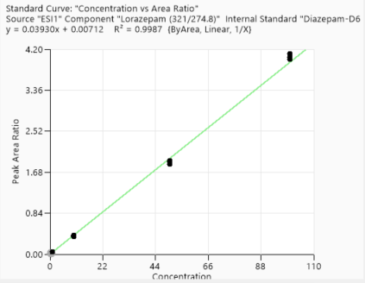
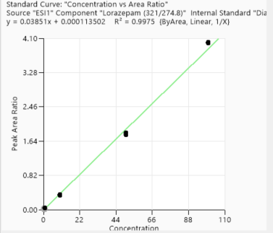
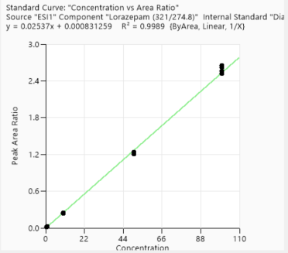
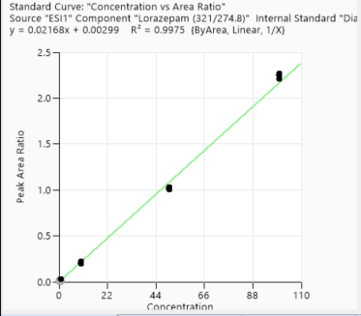
Lorazepam

 | Calibration points data
 |  | 1st Day | 3rd Day | 2nd week | 4th week
 | Concentration of clabibration points/ ppb | Peak area/IS Ratio | Peak area/IS Ratio | Peak area/IS Ratio | Peak area/IS Ratio
 | 0.5 | 0.027151401 | 0.018928486 | 0.013069573 | 0.012553641
 | 0.5 | 0.02661336 | 0.020003978 | 0.013749474 | 0.012767121
 | 0.5 | 0.026731227 | 0.018495251 | 0.01303966 | 0.012828441
 | 0.5 | 0.026455878 | 0.021190421 | 0.013762033 | 0.01259211
 | 1 | 0.049209526 | 0.041340067 | 0.027609815 | 0.026260458
 | 1 | 0.048971353 | 0.041229517 | 0.029483985 | 0.029550436
 | 1 | 0.049096583 | 0.042642005 | 0.027046663 | 0.028716726
 | 1 | 0.049392405 | 0.041726202 | 0.028037239 | 0.028748281
 | 10 | 0.386563869 | 0.33815084 | 0.243741095 | 0.220532082
 | 10 | 0.385666409 | 0.365455018 | 0.238448825 | 0.219343662
 | 10 | 0.378066222 | 0.354934724 | 0.242843405 | 0.201167755
 | 10 | 0.367530518 | 0.371024619 | 0.240126103 | 0.209773464
 | 50 | 1.920275246 | 1.837782001 | 1.236759063 | 1.025436504
 | 50 | 1.850549956 | 1.810084708 | 1.233235683 | 1.015625339
 | 50 | 1.916366743 | 1.785978163 | 1.24215676 | 1.033428008
 | 50 | 1.881188822 | 1.814864695 | 1.204007949 | 1.003233669
 | 100 | 3.994665271 | 3.992581726 | 2.622177188 | 2.245156867
 | 100 | 4.110709643 | 3.978572966 | 2.523675719 | 2.213137679
 | 100 | 4.043712532 | 3.979541172 | 2.562944676 | 2.266970797
 | 100 | 3.990432443 | 4.007241538 | 2.65145904 | 2.250352118

 | Accuracy points data
 | Concentration of Accuracy points/ ppb | 1st Day | 3rd Day | 2nd week | 4th week
 | 5 | 0.181850931 | 0.173825867 | 0.120052553 | 0.108493518
 | 5 | 0.192558547 | 0.167819128 | 0.120044549 | 0.100757112
 | 5 | 0.196993101 | 0.172051908 | 0.11724701 | 0.106890485
 | 5 | 0.184858468 | 0.164102564 | 0.118398909 | 0.106102839
 | 25 | 1.034448544 | 0.946730769 | 0.653506317 | 0.536697659
 | 25 | 1.010297801 | 0.99605445 | 0.658375784 | 0.555250881
 | 25 | 0.999053543 | 0.972847889 | 0.646955445 | 0.560265303
 | 25 | 0.998750048 | 0.963061178 | 0.650281452 | 0.525462069
 | 75 | 2.965218216 | 2.826832284 | 1.88464048 | 1.596121759
 | 75 | 2.9569488 | 2.815365354 | 1.803189242 | 1.558799139
 | 75 | 3.012318239 | 2.850536637 | 1.921416877 | 1.543643716
 | 75 | 2.918700286 | 2.857048079 | 1.92727456 | 1.523963921

1st day
3rd day
2nd week
4th week

Metalachlor
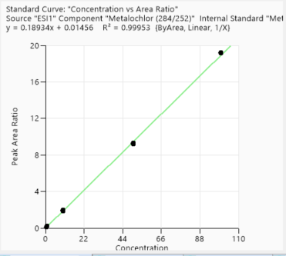
Metalachlor

 | Calibration points data
 |  | 1st Day | 3rd Day | 2nd week | 4th week
 | Concentration of clabibration points ppb | Peak area/IS Ratio | Peak area/IS Ratio | Peak area/IS Ratio | Peak area/IS Ratio
 | 0.5 | 0.097355275 | 0.093146446 | 0.102922525 | 0.104646744
 | 0.5 | 0.101960032 | 0.101431975 | 0.106239744 | 0.108874831
 | 0.5 | 0.098095034 | 0.099501949 | 0.105118553 | 0.101700374
 | 0.5 | 0.09866679 | 0.096687907 | 0.107261578 | 0.106420435
 | 1 | 0.205791876 | 0.195538068 | 0.21273065 | 0.213697482
 | 1 | 0.205044584 | 0.195012348 | 0.221035917 | 0.212038579
 | 1 | 0.192598005 | 0.189861509 | 0.216596095 | 0.215226187
 | 1 | 0.205112132 | 0.192828311 | 0.215156657 | 0.219121957
 | 10 | 1.732525882 | 1.715871134 | 1.860482677 | 1.834441157
 | 10 | 1.717173608 | 1.695876818 | 1.825086523 | 1.831502324
 | 10 | 1.73348634 | 1.723737558 | 1.853920356 | 1.913555665
 | 10 | 1.746019119 | 1.725663266 | 1.839577284 | 2.00890929
 | 50 | 8.750466554 | 8.912514837 | 9.135023116 | 9.275766314
 | 50 | 8.749632673 | 8.526730592 | 9.013600674 | 9.195982911
 | 50 | 8.797350822 | 8.70838361 | 9.069192837 | 9.326805155
 | 50 | 8.710667339 | 8.863951747 | 8.949657366 | 9.159946457
 | 100 | 18.557557539 | 18.871682459 | 18.781774192 | 19.194242345
 | 100 | 18.561684866 | 19.146059668 | 18.49302471 | 19.177516001
 | 100 | 18.735864257 | 18.967565256 | 18.406986457 | 19.212095244
 | 100 | 18.921734598 | 18.910866612 | 18.380895726 | 19.194008311

 | Accuracy points data
 | Concentration of Accuracy points ppb | 1st Day | 3rd Day | 2nd week | 4th week
 | 5 | 0.852415769 | 0.869151221 | 0.927395109 | 0.935864504
 | 5 | 0.870864285 | 0.85594714 | 0.919642788 | 0.909429194
 | 5 | 0.853436898 | 0.862121243 | 0.961357221 | 0.9221477
 | 5 | 0.847384986 | 0.846681928 | 0.918962279 | 0.91855162
 | 25 | 4.616076285 | 4.42725095 | 4.859926349 | 4.890896139
 | 25 | 4.826916873 | 4.582125315 | 4.861559246 | 4.952706964
 | 25 | 4.665627818 | 4.65087979 | 4.824402458 | 4.887569972
 | 25 | 4.827280556 | 4.480943111 | 4.905119378 | 4.884889173
 | 75 | 12.693744682 | 12.883628208 | 13.175155218 | 13.502512463
 | 75 | 12.912321264 | 12.8510666 | 13.002653027 | 13.369953171
 | 75 | 12.956391508 | 12.405263536 | 13.082279925 | 13.431289074
 | 75 | 12.993939599 | 12.628339607 | 13.238405199 | 13.557204611
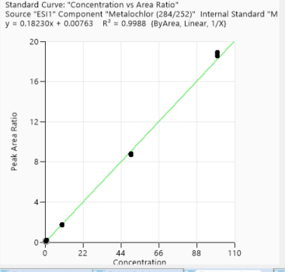
Calibration- 1st day
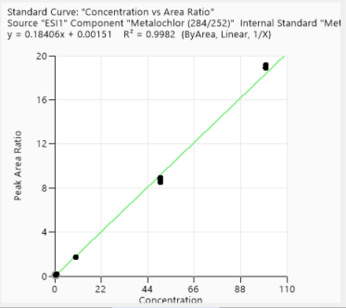
Calibration- 3rd day
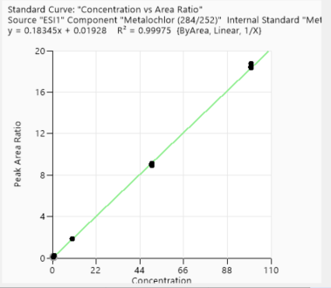
Calibration- 2nd week
Calibration- 4th week

Alprazolam
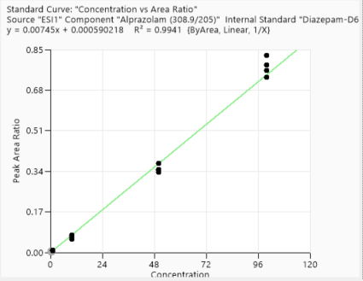
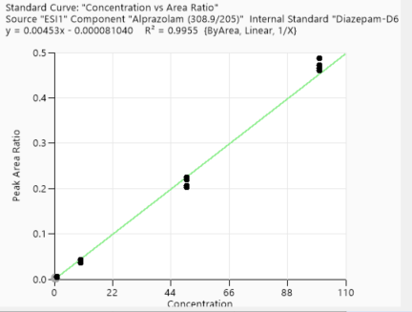
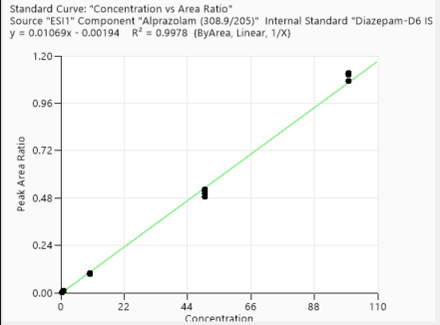
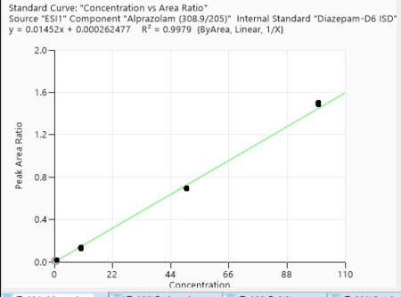
Calibration points data
 | 1st Day | 3rd Day | 2nd week | 4th week
Concentration of clabibration points/ ppb | Peak area/IS Ratio | Peak area/IS Ratio | Peak area/IS Ratio | Peak area/IS Ratio
0.5 | 0.002274401 | 0.004298038 | 0.002922891 | 0.007807045
0.5 | 0.002438554 | 0.004214636 | 0.003871791 | 0.008207242
0.5 | 0.002230127 | 0.004803961 | 0.003497941 | 0.007558483
0.5 | 0.002271714 | 0.004155961 | 0.003103075 | 0.007265856
1 | 0.005218199 | 0.00976328 | 0.010261569 | 0.018096887
1 | 0.005043219 | 0.008305096 | 0.009388273 | 0.014961044
1 | 0.00467498 | 0.008960219 | 0.009888084 | 0.016070401
1 | 0.004588608 | 0.00938101 | 0.01004828 | 0.01503526
10 | 0.035916097 | 0.056960662 | 0.095015568 | 0.137646306
10 | 0.04266233 | 0.063754381 | 0.100511952 | 0.133756493
10 | 0.036012089 | 0.073617334 | 0.094635354 | 0.125803589
10 | 0.042352634 | 0.06483409 | 0.095843611 | 0.127542966
50 | 0.203018048 | 0.374207563 | 0.524049903 | 0.691482712
50 | 0.219425723 | 0.345476532 | 0.517135072 | 0.691389318
50 | 0.224427721 | 0.347555326 | 0.501551935 | 0.694930013
50 | 0.206830637 | 0.336510038 | 0.488567529 | 0.697502645
100 | 0.487980907 | 0.785655002 | 1.106574517 | 1.505287343
100 | 0.472490917 | 0.826039069 | 1.106117161 | 1.505013676
100 | 0.464737654 | 0.733900169 | 1.074191811 | 1.484623547
100 | 0.459750279 | 0.763732666 | 1.112135044 | 1.496944073

Accuracy points data
Concentration of Accuracy points/ ppb | 1st Day | 3rd Day | 2nd week | 4th week
5 | 0.018958706 | 0.030842356 | 0.053517433 | 0.071137143
5 | 0.018972579 | 0.036199447 | 0.050180198 | 0.064741526
5 | 0.022300741 | 0.030817311 | 0.049167774 | 0.064183173
5 | 0.015605173 | 0.035699967 | 0.048858046 | 0.068956899
25 | 0.098556786 | 0.149353846 | 0.220928857 | 0.349840606
25 | 0.100179361 | 0.160457716 | 0.226817027 | 0.360615349
25 | 0.1010266 | 0.163601278 | 0.21954138 | 0.349513908
25 | 0.100279897 | 0.163292921 | 0.224185644 | 0.339606751
75 | 0.302218297 | 0.490908835 | 0.611811865 | 1.004435782
75 | 0.301787676 | 0.460866545 | 0.623662699 | 0.993402326
75 | 0.29874797 | 0.47313134 | 0.622925835 | 1.000680878
75 | 0.385787669 | 0.466954631 | 0.594545088 | 0.977937416

1st day
3rd day
2nd week
4th week

Omeprazole
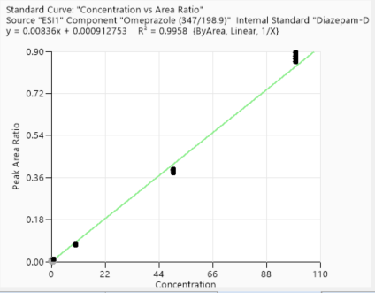
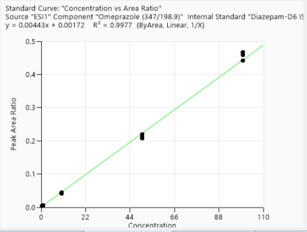
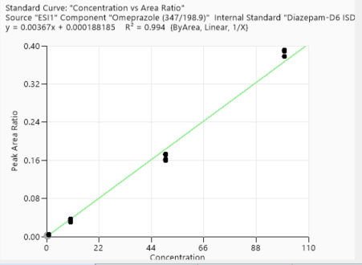
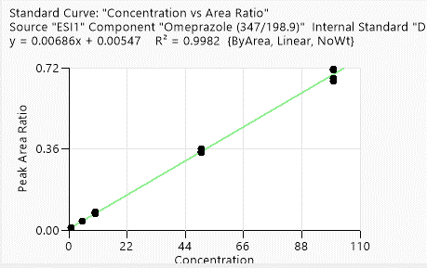
Omeprazole

 | Calibration points data
 |  | 1st Day | 3rd Day | 2nd week | 4th week
 | Concentration of clabibration points ppb | Peak area/IS Ratio | Peak area/IS Ratio | Peak area/IS Ratio | Peak area/IS Ratio
 | 1 | 0.012414072 | 0.005533036 | 0.004012919 | 0.002111131
 | 1 | 0.012880619 | 0.005700326 | 0.004059136 | 0.002122889
 | 1 | 0.012093029 | 0.005352106 | 0.004092265 | 0.002125651
 | 1 | 0.010849667 | 0.005499804 | 0.004080649 | 0.002134397
 | 5 | 0.04023764 | 0.009630528 | 0.005892498 | 0.004144198
 | 5 | 0.040777913 | 0.010268119 | 0.006342439 | 0.004155996
 | 5 | 0.039568531 | 0.009128148 | 0.006394469 | 0.00413137
 | 5 | 0.038384578 | 0.009169998 | 0.00659202 | 0.003969486
 | 10 | 0.07605166 | 0.072656543 | 0.043308354 | 0.034657308
 | 10 | 0.070636762 | 0.077833312 | 0.044296637 | 0.037429095
 | 10 | 0.080079337 | 0.0735334 | 0.041193795 | 0.03000503
 | 10 | 0.0720282 | 0.077599963 | 0.042751052 | 0.034245269
 | 50 | 0.346767671 | 0.578778384 | 0.327633677 | 0.258859145
 | 50 | 0.35990949 | 0.578820532 | 0.316400286 | 0.253981017
 | 50 | 0.358551157 | 0.589660351 | 0.313798349 | 0.253344433
 | 50 | 0.342804218 | 0.596750515 | 0.323608191 | 0.249646389
 | 100 | 0.714746523 | 0.880644933 | 0.465902883 | 0.378184378
 | 100 | 0.710222993 | 0.856131866 | 0.442355112 | 0.391738981
 | 100 | 0.662005459 | 0.869072503 | 0.459250434 | 0.388401078
 | 100 | 0.673000986 | 0.896446654 | 0.467662587 | 0.391791709

 | Accuracy points data
 | Concentration of Accuracy points/ ppb | 1st Day | 3rd Day | 2nd week | 4th week
 |  | Peak area/IS Ratio | Peak area/IS Ratio | Peak area/IS Ratio | Peak area/IS Ratio
 | 2.5 | 0.02369173 | 0.03803694 | 0.020470074 | 0.018049684
 | 2.5 | 0.025278212 | 0.037896763 | 0.020592652 | 0.017516517
 | 2.5 | 0.022926724 | 0.039567831 | 0.021016117 | 0.017772108
 | 2.5 | 0.02537116 | 0.038255094 | 0.021344569 | 0.01731828
 | 25 | 0.188888889 | 0.209523077 | 0.114823141 | 0.088314323
 | 25 | 0.186388657 | 0.216282022 | 0.117063219 | 0.088475641
 | 25 | 0.175186047 | 0.218866353 | 0.118561887 | 0.092033856
 | 25 | 0.195989418 | 0.208187198 | 0.119764042 | 0.08732719
 | 75 | 0.563070724 | 0.388799037 | 0.220148057 | 0.160064528
 | 75 | 0.54603066 | 0.38165032 | 0.211243666 | 0.161734907
 | 75 | 0.55253112 | 0.396536761 | 0.210459086 | 0.171673268
 | 75 | 0.551335584 | 0.389199585 | 0.208272081 | 0.172743202

1st day
3rd day
2nd week
4th week

Acetochlor
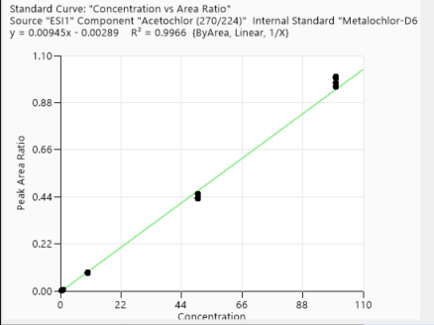
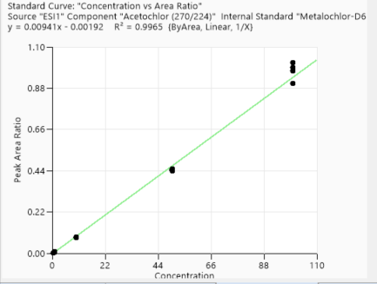
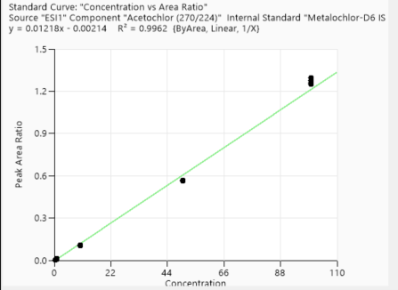
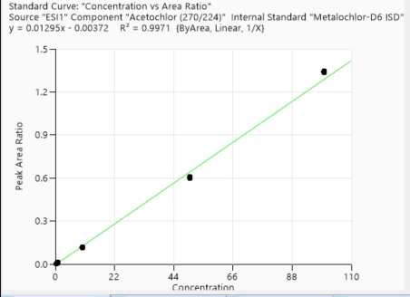
Acetochlor

 | Calibration points data
 |  | 1st Day | 3rd Day | 2nd week | 4th week
 | Concentration of clabibration points /ppb | Peak area/IS Ratio | Peak area/IS Ratio | Peak area/IS Ratio | Peak area/IS Ratio
 | 0.5 | 0.002015784 | 0.003155041 | 0.004227734 | 0.003182701
 | 0.5 | 0.00206412 | 0.003080317 | 0.004646753 | 0.003234903
 | 0.5 | 0.002196393 | 0.00295637 | 0.00462964 | 0.003144018
 | 0.5 | 0.002256379 | 0.003183513 | 0.004185537 | 0.003024631
 | 1 | 0.007234947 | 0.008089239 | 0.010565034 | 0.009730894
 | 1 | 0.007175674 | 0.007374101 | 0.011055271 | 0.00903068
 | 1 | 0.006669398 | 0.008052749 | 0.011308892 | 0.010136917
 | 1 | 0.006912962 | 0.008183788 | 0.009795518 | 0.010256385
 | 10 | 0.08278315 | 0.082961827 | 0.109351807 | 0.112849934
 | 10 | 0.085661313 | 0.082333299 | 0.105797759 | 0.115266427
 | 10 | 0.082412834 | 0.082798468 | 0.10535514 | 0.115226664
 | 10 | 0.084141209 | 0.085305792 | 0.107129739 | 0.118418088
 | 50 | 0.435022265 | 0.450198698 | 0.563211102 | 0.606247454
 | 50 | 0.452124873 | 0.441301552 | 0.564494022 | 0.599087606
 | 50 | 0.433064617 | 0.437925765 | 0.567396359 | 0.600813628
 | 50 | 0.431908355 | 0.447170156 | 0.561580421 | 0.600193445
 | 100 | 1.001496465 | 0.971720407 | 1.296196692 | 1.337992589
 | 100 | 0.974064241 | 0.99155082 | 1.275642272 | 1.34649048
 | 100 | 0.954909838 | 1.016493143 | 1.258256275 | 1.342890265
 | 100 | 0.994557222 | 0.906214556 | 1.248761882 | 1.34152381

 | Accuracy points data
 | Concentration of Accuracy points/ ppb | 1st Day | 3rd Day | 2nd week | 4th week
 |  | Peak area/IS Ratio | Peak area/IS Ratio | Peak area/IS Ratio | Peak area/IS Ratio
 | 5 | 0.043018355 | 0.042515293 | 0.055791412 | 0.054784966
 | 5 | 0.04171395 | 0.040670909 | 0.055359144 | 0.054881775
 | 5 | 0.042174855 | 0.041769764 | 0.055760227 | 0.056742385
 | 5 | 0.04166657 | 0.040677421 | 0.055664132 | 0.055772204
 | 25 | 0.229423619 | 0.219011219 | 0.274833706 | 0.302852674
 | 25 | 0.211632008 | 0.210802948 | 0.279155545 | 0.29700106
 | 25 | 0.228441004 | 0.219100119 | 0.279683582 | 0.287934958
 | 25 | 0.231971146 | 0.217450947 | 0.280981296 | 0.287860112
 | 75 | 0.653583255 | 0.617874365 | 0.822945584 | 0.872480737
 | 75 | 0.63988411 | 0.625726635 | 0.817701961 | 0.857634571
 | 75 | 0.641713269 | 0.622683084 | 0.820985095 | 0.871435631
 | 75 | 0.639874951 | 0.62789945 | 0.828706938 | 0.882993771

1st day
3rd day
2nd week
4th week

Cyprodinil
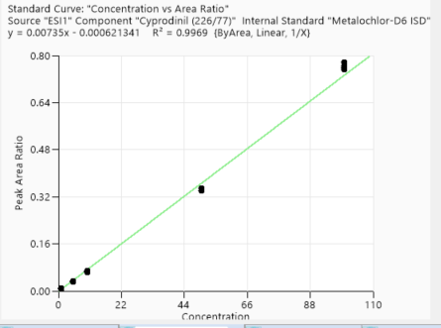
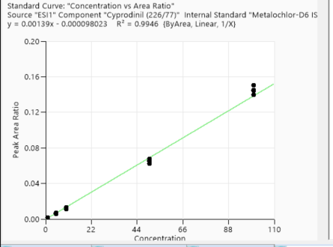
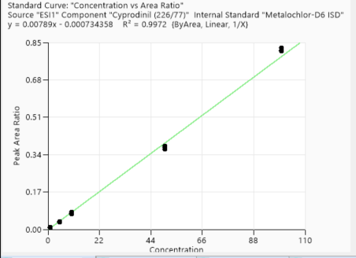
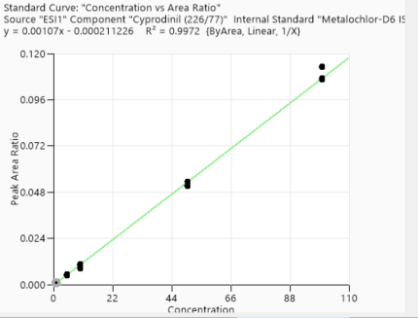
Calibration points data
 | 1st Day | 3rd Day | 2nd week | 4th week
Concentration of clabibration points/ppb | Peak area/IS Ratio | Peak area/IS Ratio | Peak area/IS Ratio | Peak area/IS Ratio
1 | 0.001707095 | 0.001035995 | 0.008194397 | 0.008384689
1 | 0.001476416 | 0.000987866 | 0.008040975 | 0.007998912
1 | 0.001577256 | 0.000975366 | 0.008091918 | 0.008562779
1 | 0.001607257 | 0.000972652 | 0.007896922 | 0.008141375
5 | 0.00703334 | 0.005437825 | 0.034352727 | 0.035524115
5 | 0.006105669 | 0.004741922 | 0.033524593 | 0.03464144
5 | 0.005804432 | 0.005118545 | 0.031605436 | 0.034468641
5 | 0.006403314 | 0.004677942 | 0.034027621 | 0.034766541
10 | 0.012835017 | 0.008176293 | 0.067726876 | 0.072319448
10 | 0.01301224 | 0.009299139 | 0.066152922 | 0.071500108
10 | 0.010882626 | 0.010711959 | 0.068100366 | 0.073071368
10 | 0.011150367 | 0.010438106 | 0.063477146 | 0.077396154
50 | 0.06246356 | 0.051204446 | 0.341939674 | 0.378834735
50 | 0.065707401 | 0.050942601 | 0.349344172 | 0.373892007
50 | 0.064754021 | 0.053683542 | 0.348880006 | 0.366051272
50 | 0.067427064 | 0.05131927 | 0.349074892 | 0.372890247
100 | 0.144826845 | 0.106305053 | 0.775889577 | 0.812597316
100 | 0.139601524 | 0.113307458 | 0.757397906 | 0.81087462
100 | 0.144441187 | 0.112818168 | 0.753088449 | 0.814162641
100 | 0.150415948 | 0.107168596 | 0.76304295 | 0.826671629

Accuracy points data
 | 1st Day | 3rd Day | 2nd week | 4th week
Concentration of Accuracy points /ppb | Peak area/IS Ratio | Peak area/IS Ratio | Peak area/IS Ratio | Peak area/IS Ratio
2.5 | 0.003239893 | 0.003335998 | 0.01706935 | 0.019908085
2.5 | 0.003808451 | 0.003974372 | 0.01995726 | 0.021689119
2.5 | 0.003674444 | 0.001795611 | 0.019026221 | 0.022439189
2.5 | 0.003336583 | 0.002675321 | 0.019352872 | 0.02086979
25 | 0.031580999 | 0.022410387 | 0.16945055 | 0.189603049
25 | 0.034176228 | 0.026420636 | 0.168055679 | 0.186381053
25 | 0.035965957 | 0.02469917 | 0.173031673 | 0.188671488
25 | 0.03255708 | 0.02210726 | 0.174947356 | 0.184544366
75 | 0.098152896 | 0.069751075 | 0.514417486 | 0.558808348
75 | 0.094378459 | 0.070899433 | 0.511817766 | 0.542508824
75 | 0.099479186 | 0.078274041 | 0.511873544 | 0.56450324
75 | 0.093693343 | 0.07483308 | 0.516741578 | 0.562119321

3rd day
1st day
2nd week
4th week

Atrazine
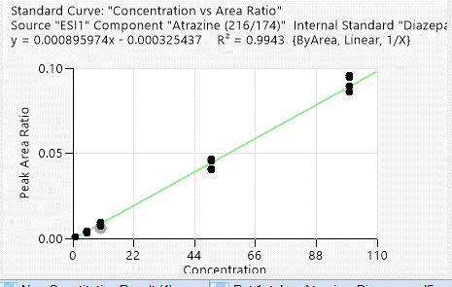
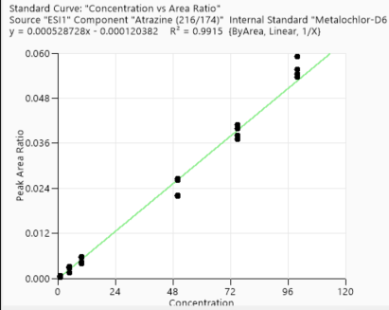
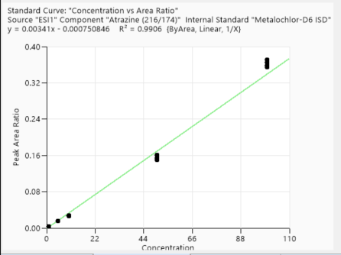
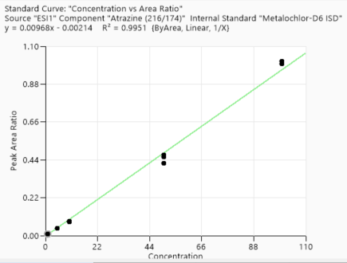
Calibration points data
 | 1st Day | 3rd Day | 2nd week | 4th week
Concentration of clabibration points/ppb | Peak area/IS Ratio | Peak area/IS Ratio | Peak area/IS Ratio | Peak area/IS Ratio
1 | 0.00077439 | 0.000370944 | 0.003952146 | 0.010361736
1 | 0.000797487 | 0.000378503 | 0.003324387 | 0.00946891
1 | 0.000674931 | 0.000441174 | 0.003354251 | 0.009340774
1 | 0.000631462 | 0.000640329 | 0.003612991 | 0.00951447
5 | 0.00438401 | 0.001475872 | 0.014855547 | 0.043431154
5 | 0.004083419 | 0.003044787 | 0.0161209 | 0.043504498
5 | 0.003211564 | 0.002626455 | 0.015476453 | 0.042130128
5 | 0.003660322 | 0.002945087 | 0.015458603 | 0.042057909
10 | 0.006143543 | 0.005640778 | 0.027430918 | 0.082606636
10 | 0.008408194 | 0.005707614 | 0.028035471 | 0.083844696
10 | 0.007353536 | 0.003925244 | 0.026424141 | 0.078088211
10 | 0.009302174 | 0.004269106 | 0.025937516 | 0.082331415
50 | 0.040725539 | 0.0265069 | 0.16152512 | 0.419008547
50 | 0.040215142 | 0.022136313 | 0.14972138 | 0.458103913
50 | 0.045630809 | 0.026102257 | 0.153574494 | 0.467569891
50 | 0.046563377 | 0.021821489 | 0.149762267 | 0.466913243
100 | 0.095740987 | 0.055601872 | 0.365890866 | 0.997151911
100 | 0.086263791 | 0.053601667 | 0.370663424 | 1.014659282
100 | 0.08931579 | 0.059121074 | 0.358871348 | 1.011386032
100 | 0.09453767 | 0.054477788 | 0.355311042 | 1.012633965

Accuracy points data
 | 1st Day | 3rd Day | 2nd week | 4th week
Concentration of Accuracy points /ppb | Peak area/IS Ratio | Peak area/IS Ratio | Peak area/IS Ratio | Peak area/IS Ratio
2.5 | 0.002501365 | 0.001175219 | 0.00588787 | 0.025598608
2.5 | 0.002479194 | 0.001363028 | 0.006328001 | 0.025217126
2.5 | 0.00187393 | 0.001392177 | 0.007081367 | 0.025551528
2.5 | 0.00206244 | 0.000881716 | 0.006534159 | 0.025971851
25 | 0.019532595 | 0.012828202 | 0.056882867 | 0.234390148
25 | 0.021523332 | 0.010202863 | 0.054069675 | 0.237823966
25 | 0.022768385 | 0.012558718 | 0.052849933 | 0.238023883
25 | 0.020474675 | 0.012913828 | 0.054878867 | 0.241518467
75 | 0.067030665 | 0.039834485 | 0.180389734 | 0.720250835
75 | 0.06631209 | 0.040864086 | 0.175180331 | 0.70953076
75 | 0.068143605 | 0.037100028 | 0.184692594 | 0.713830354
75 | 0.067434221 | 0.038170632 | 0.164171188 | 0.730895282
4th week
1st day
3rd day
2nd week

Chloropyrifos methyl
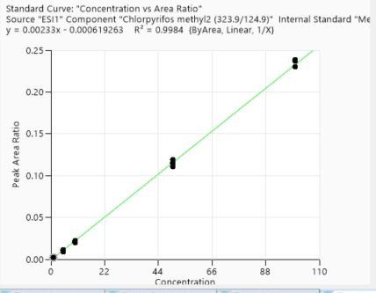
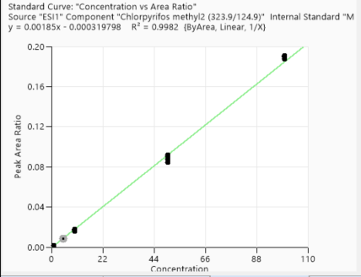
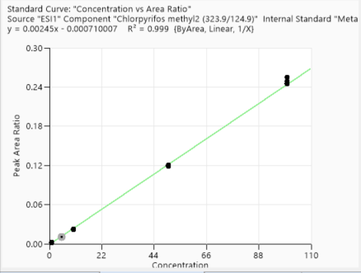
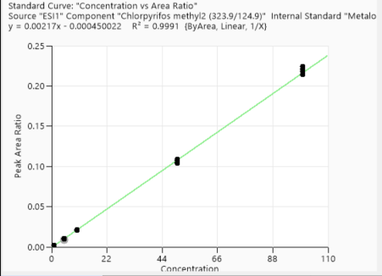
Calibration points data
 | 1st Day | 3rd Day | 2nd week | 4th week
Concentration of clabibration points/ppb | Peak area/IS Ratio | Peak area/IS Ratio | Peak area/IS Ratio | Peak area/IS Ratio
1 | 0.002130807 | 0.001698396 | 0.001924655 | 0.001978272
1 | 0.002066497 | 0.001817352 | 0.002102202 | 0.002018991
1 | 0.002127691 | 0.001591946 | 0.002063418 | 0.001814917
1 | 0.002053579 | 0.001737265 | 0.002106463 | 0.001862784
5 | 0.011027554 | 0.008941749 | 0.01076283 | 0.009533365
5 | 0.010245735 | 0.008503277 | 0.010616862 | 0.009121682
5 | 0.009065511 | 0.009212875 | 0.0109627 | 0.009500382
5 | 0.009199713 | 0.008087505 | 0.01095656 | 0.01032149
10 | 0.022203624 | 0.017781006 | 0.022628798 | 0.020891737
10 | 0.021622057 | 0.016102238 | 0.021976568 | 0.021041296
10 | 0.02088252 | 0.016838969 | 0.022669536 | 0.020211133
10 | 0.019690577 | 0.017958519 | 0.021589288 | 0.021882981
50 | 0.114526711 | 0.091883243 | 0.120548138 | 0.109286111
50 | 0.119274495 | 0.08418042 | 0.120431268 | 0.105115883
50 | 0.116063729 | 0.090776367 | 0.119891658 | 0.10733135
50 | 0.111033542 | 0.088053318 | 0.118911633 | 0.103682478
100 | 0.230395266 | 0.189318323 | 0.254822981 | 0.214341044
100 | 0.238439911 | 0.187648021 | 0.24587843 | 0.218170148
100 | 0.236808533 | 0.190538269 | 0.249064725 | 0.224432574
100 | 0.23855085 | 0.190811082 | 0.244699661 | 0.221246502

Accuracy points data
 | 1st Day | 3rd Day | 2nd week | 4th week
Concentration of Accuracy points /ppb | Peak area/IS Ratio | Peak area/IS Ratio | Peak area/IS Ratio | Peak area/IS Ratio
2.5 | 0.006348108 | 0.004622981 | 0.006026572 | 0.0052561
2.5 | 0.005224062 | 0.004419718 | 0.005729637 | 0.005195988
2.5 | 0.006352429 | 0.003888837 | 0.006170564 | 0.005108736
2.5 | 0.005617626 | 0.004160492 | 0.006171751 | 0.004970191
25 | 0.052849835 | 0.042028794 | 0.058554333 | 0.049931018
25 | 0.055832762 | 0.042522468 | 0.057047262 | 0.052008484
25 | 0.054935423 | 0.043778555 | 0.055015893 | 0.050248469
25 | 0.054022601 | 0.042486564 | 0.05667754 | 0.04858179
75 | 0.166733737 | 0.129916591 | 0.174803515 | 0.152641237
75 | 0.162808464 | 0.125563895 | 0.167355916 | 0.152914115
75 | 0.18304732 | 0.127896348 | 0.168911272 | 0.152443494
75 | 0.157437687 | 0.129522527 | 0.175705425 | 0.150377828

1st day
3rd day
2nd week
4th week

Methaqualone
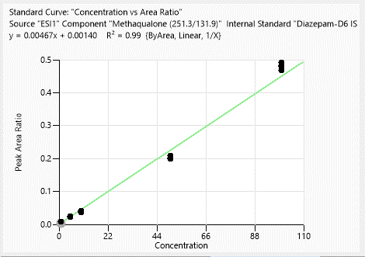
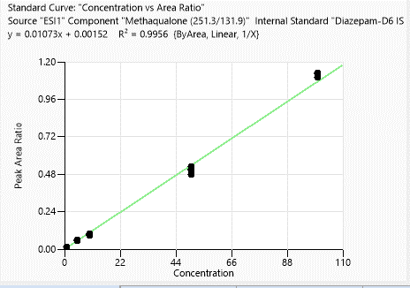
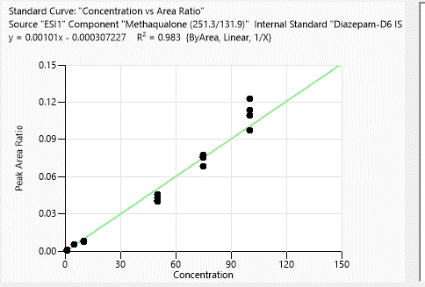
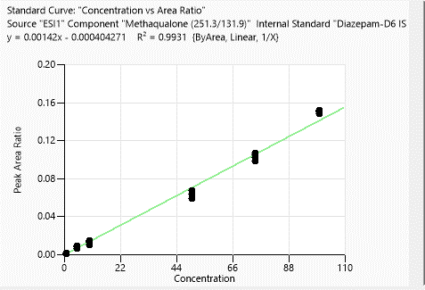
Calibration points data
 | 1st Day | 3rd Day | 2nd week | 4th week
Concentration of clabibration points/ppb | Peak area/IS Ratio | Peak area/IS Ratio | Peak area/IS Ratio | Peak area/IS Ratio

1 | 0.000839916 | 0.000844783 | 0.003906556 | 0.014415929
1 | 0.001145635 | 0.001008692 | 0.007998579 | 0.014678914
1 | 0.000879268 | 0.000881628 | 0.008726168 | 0.013487951
1 | 0.000620253 | 0.001368566 | 0.007907348 | 0.013255644
5 | N/A | 0.009187838 | 0.023973605 | 0.053446605
5 | 0.005071444 | 0.008247521 | 0.023533387 | 0.05478049
5 | 0.005316136 | 0.005994404 | 0.025276141 | 0.058038004
5 | 0.005655198 | 0.006384825 | 0.024866473 | 0.051248441
50 | 0.045898473 | 0.06746786 | 0.215878431 | 0.476560453
50 | 0.042580739 | 0.058737348 | 0.210705493 | 0.504188844
50 | 0.039783813 | 0.064028288 | 0.210234653 | 0.528013117
50 | 0.04094121 | 0.067914902 | 0.207991955 | 0.512565478
10 | 0.007581537 | 0.009885328 | 0.039999472 | 0.101105295
10 | 0.007654629 | 0.01487083 | 0.042213891 | 0.098220086
10 | 0.008304774 | 0.012725817 | 0.038030085 | 0.089867607
10 | 0.007905216 | 0.014007 | 0.038717337 | 0.092614275
100 | 0.109170501 | 0.1521872 | 0.499705305 | 1.129196444
100 | 0.09761008 | 0.14901442 | 0.502059211 | 1.102367256
100 | 0.122615535 | 0.151019726 | 0.486689958 | 1.125815379
100 | 0.113567151 | 0.150419128 | 0.510357211 | 1.123838773

Accuracy points data
 | 1st Day | 3rd Day | 2nd week | 4th week
Concentration of Accuracy points /ppb | Peak area/IS Ratio | Peak area/IS Ratio | Peak area/IS Ratio | Peak area/IS Ratio
2.5 | 0.002544988 | 0.003648386 | 0.017043106 | 0.05561626
2.5 | 0.002814005 | 0.004174969 | 0.017051967 | 0.05495307
2.5 | 0.002652806 | 0.003038863 | 0.021719946 | 0.061863324
2.5 | 0.003046429 | 0.004041268 | 0.019087121 | 0.056542791
25 | 0.02100041 | 0.030546154 | 0.09008113 | 0.281973823
25 | 0.018732412 | 0.037197454 | 0.094008536 | 0.277275083
25 | 0.023188185 | 0.034102283 | 0.094795236 | 0.275767179
25 | 0.017844408 | 0.030958621 | 0.086110181 | 0.279482276
75 | 0.068315365 | 0.09860471 | 0.288549484 | 0.844861594
75 | 0.07782976 | 0.102510475 | 0.274293956 | 0.834878861
75 | 0.075114559 | 0.107172828 | 0.281680001 | 0.823208837
75 | 0.076162898 | 0.10500127 | 0.264738919 | 0.838380898

1st day
3rd day
2nd week
4th week

